Sheet1
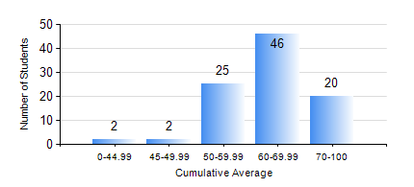
 |  |  | KWAME NKRUMAH UNIVERSITY OF SCIENCE AND TECHNOLOGY, KUMASI Department of Computer Engineering

 |  |  | BSC. BIOMEDICAL ENG.

 |  |  | COMPREHENSIVE RECORD OF EXAMINATION RESULTS

 |  |  | RESULTS OF YEAR 1 SECOND SEMESTER, 2022/2023 ACADEMIC YEAR

 | Sn | Course Code |  | Course Name | Credit Hours | Min. Mark | Max. Mark | Avg. Mark | Std. Dev. | No. Passed | No. Trailed | No. (Df) | No. (I) | No. (I*) | No. Tagged(I,I*,Df) | Total
 | 0. |  |  |  |  |  |  | 0 | 0 | 0 | 0 | 0 | 0 | 0 | 0 | 2
 | 1. | COE 152 |  | BASIC ELECTRONICS | 3 | 0 | 96 | 75 | 14.46 | 92 | 1 | 0 | 0 | 0 | 0 | 93
 | 2. | COE 158 |  | INTRODUCTION TO INFORMATION TECHNOLOGY | 2 | 26 | 83 | 68 | 8.35 | 92 | 1 | 0 | 0 | 0 | 0 | 93
 | 3. | EE 156 |  | ELECTRICAL ENGINEERING DRAWING | 2 | 40 | 85 | 64 | 10.14 | 93 | 0 | 0 | 0 | 0 | 0 | 93
 | 4. | ENGL 158 |  | COMMUNICATION SKILLS II | 2 | 42 | 83 | 66 | 8.63 | 93 | 0 | 0 | 0 | 0 | 0 | 93
 | 5. | MATH 152 |  | CALCULUS WITH ANALYSIS | 4 | 40 | 80 | 57 | 7.87 | 92 | 0 | 0 | 1 | 0 | 1 | 93
 | 6. | PHY 154 |  | PROPERTIES OF MATTER | 2 | 15 | 93 | 63 | 14.85 | 90 | 3 | 0 | 0 | 0 | 0 | 93
 | 7. | SOC 152 |  | INTRODUCTION TO SOCIOLOGY II | 3 | 26 | 88 | 72 | 10 | 92 | 1 | 0 | 0 | 0 | 0 | 93
 | 8. | SSN 166 |  | BIOCHEMISTRY | 2 | 22 | 90 | 57 | 11.94 | 89 | 4 | 0 | 0 | 0 | 0 | 93

